Findings and Results
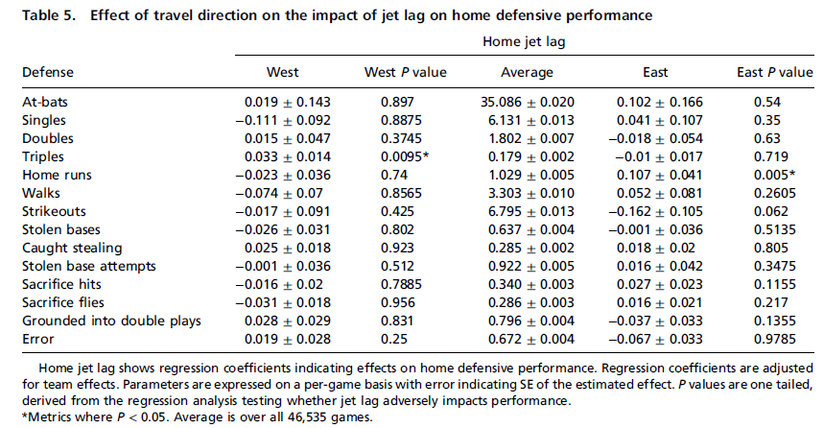
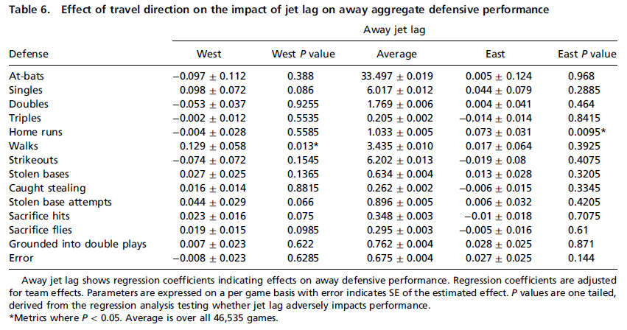
Home team winning % | 53.90%
Home team advantage | +3.90%
Home Team Eastward travel effect - on winning % | -3.50% | P<0.05 | Significant
Home Team Westward travel effect - on winning % | -2.0% | P=0.11 | Insignifcant
Away Team Eastward travel effect - on winning % | -2.1% | P=0.075 | Insignifcant

Offensive performance - Slugging %
Home and Away teams were diferentialy affected
Home team effects - Eastward Travel |  | P<0.01 | Significant
Home team effects - Westward Travel |  | P=0.327 | Insignifcant

Away team effects - Eastward Travel |  | P=0.412 | Insignifcant
Away team effects - Westward Travel |  | P=0.3215 | Insignifcant

*Runs Scored - Results similar to the above slugging%

Effects of travel direction on the impact of jet lag on both Home and Away team performance



Impact of jet lag on Home team offensive performance - Based on direction of travel |  |  |  | Impact of jet lag on Away team offensive performance - Based on direction of travel
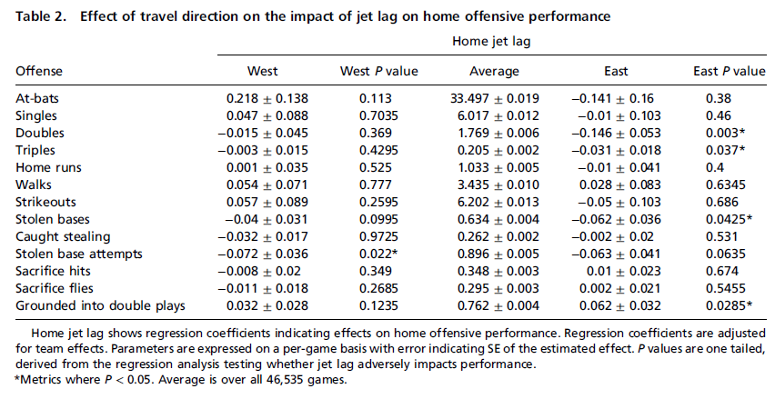
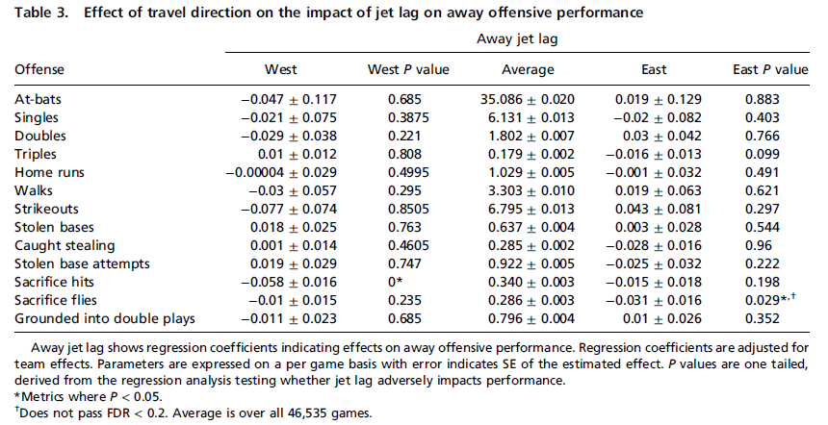

Aggregate Defensive measures - Effect of travel direction on both Home and Away teams

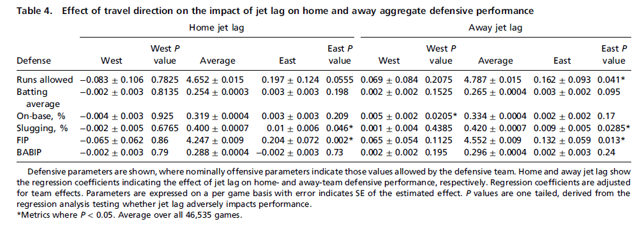

Impact of jet lag on Home team defensive performance - Based on direction of travel |  |  |  | Impact of jet lag on Away team defensive performance - Based on direction of travel

